Q1
Sales by Country
Which factors contribute to the highest sales in a particular region?

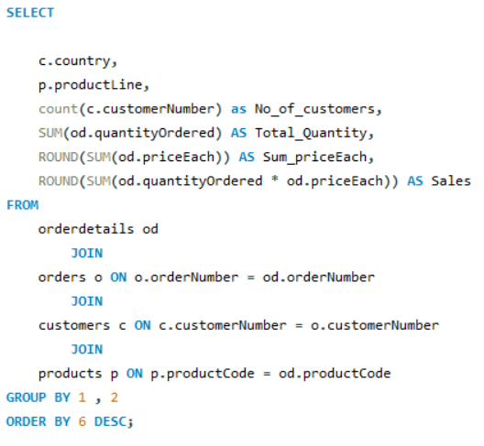

 | Row Labels | Sum of No_of_customers | Sum of Total_Quantity | Sum of Sum_priceEach | Sum of Sales
 | USA | 1004 | 35844 | 91897 | 3273280
 | Spain | 342 | 12429 | 30069 | 1099389
 | France | 314 | 11090 | 28214 | 1007374
 | Australia | 185 | 6246 | 16688 | 562582
 | New Zealand | 149 | 5396 | 13002 | 476846
Almost one third of the total sales is recordered in USA.
Factors contributes to high sales is high interest in classic cars category
No _of_customers in that particular region
 | UK | 144 | 5013 | 12466 | 436948
 | Italy | 121 | 4045 | 10827 | 360617
 | Finland | 92 | 3192 | 8430 | 295150
 | Singapore | 79 | 2760 | 7547 | 263999
 | Denmark | 63 | 2197 | 6173 | 218996
 | Canada | 70 | 2293 | 6325 | 205912
 | Germany | 62 | 2148 | 5713 | 196471
 | Austria | 55 | 1974 | 5141 | 188540
 | Sweden | 57 | 2006 | 5375 | 187638
 | Japan | 52 | 1842 | 4723 | 167912
 | Norway | 53 | 1760 | 4927 | 166621
 | Switzerland | 31 | 1078 | 3194 | 108778
 | Norway | 32 | 1082 | 3109 | 104225
 | Belgium | 33 | 1074 | 3006 | 100069
 | Philippines | 26 | 961 | 2325 | 87469
 | Ireland | 16 | 490 | 1577 | 49898
 | Hong Kong | 16 | 596 | 1216 | 45481
 | Grand Total | 2996 | 105516 | 271944 | 9604195

Q2
Customers Average Order Value
How can customer purchasing patterns be influenced to increase average order value? |  | country | No_of_Customers | No_of_orders | Total_Sales | Average_Order_Value
 |  | USA | 35 | 112 | 3,273,280 | 3260
 |  | Spain | 5 | 36 | 1,099,389 | 3215
 |  | France | 12 | 37 | 1,007,374 | 3208
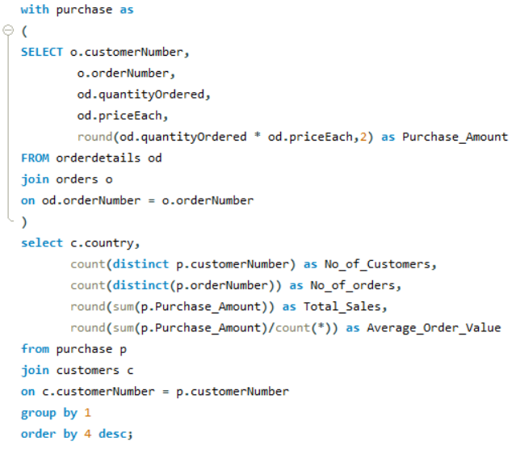
 |  | Australia | 5 | 19 | 562,583 | 3041
 |  | New Zealand | 4 | 15 | 476,847 | 3200
 |  | UK | 5 | 13 | 436,947 | 3034
 |  | Italy | 4 | 10 | 360,617 | 2980
 |  | Finland | 3 | 9 | 295,149 | 3208
 |  | Singapore | 2 | 9 | 263,998 | 3342
 |  | Denmark | 2 | 7 | 218,995 | 3476
 |  | Canada | 3 | 7 | 205,912 | 2942
 |  | Germany | 3 | 7 | 196,471 | 3169
 |  | Austria | 2 | 7 | 188,540 | 3428
 |  | Sweden | 2 | 7 | 187,638 | 3292
 |  | Japan | 2 | 6 | 167,910 | 3229
 |  | Norway | 2 | 5 | 166,622 | 3144
 |  | Switzerland | 1 | 2 | 108,778 | 3509
 |  | Norway | 1 | 4 | 104,225 | 3257
 |  | Belgium | 2 | 7 | 100,069 | 3032
 |  | Philippines | 1 | 3 | 87,468 | 3364
 |  | Ireland | 1 | 2 | 49,898 | 3119
 |  | Hong Kong | 1 | 2 | 45,481 | 2843
 |  | Total | 98 | 326 | 9,604,191 | 3195.09

 | 1.More no of customers in USA hence by giving discounts we can increase Avg_order_Value 2. Focusing on countries with lower no_of_customers to increase Customers & Avg_Order_value

Q3
What are the key drivers of sales growth, and how can they be leveraged for future success? |  | 1. Customers contribution to overall sales 2. Products contribution to sales 3. Employees contribution to sales
 | Key drivers

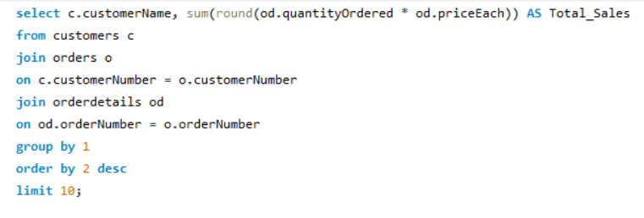
 | customerName | Total_Sales
 | Euro+ Shopping Channel | 820690
 | Mini Gifts Distributors Ltd. | 591829 |  | 1. Customer retention program to retain the top customers
 | Australian Collectors, Co. | 180584
 | Muscle Machine Inc | 177918
 | La Rochelle Gifts | 158571
 | Dragon Souveniers, Ltd. | 156252
 | Down Under Souveniers, Inc | 154619
 | Land of Toys Inc. | 149087
 | AV Stores, Co. | 148413
 | The Sharp Gifts Warehouse | 143538

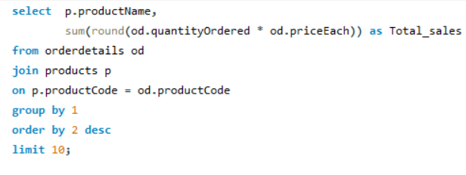
 | productName | Total_sales
 | 1992 Ferrari 360 Spider red | 276842
 | 2001 Ferrari Enzo | 190757
 | 1952 Alpine Renault 1300 | 190018 |  | 2. Promote best-selling products and optimize inventory based on high-demand products.
 | 2003 Harley-Davidson Eagle Drag Bike | 170687
 | 1968 Ford Mustang | 161533
 | 1969 Ford Falcon | 152543
 | 1980s Black Hawk Helicopter | 144960
 | 1998 Chrysler Plymouth Prowler | 142534
 | 1917 Grand Touring Sedan | 140538
 | 2002 Suzuki XREO | 135769



 | productLine | productName | Total_sales
 | Classic Cars | 1992 Ferrari 360 Spider red | 276842 | Promote best-selling products in each product category
 | Motorcycles | 2003 Harley-Davidson Eagle Drag Bike | 170687
 | Planes | 1980s Black Hawk Helicopter | 144960
 | Ships | 18th century schooner | 112430
 | Trains | Collectable Wooden Train | 82617
 | Trucks and Buses | 1958 Setra Bus | 119084
 | Vintage Cars | 1917 Grand Touring Sedan | 140538

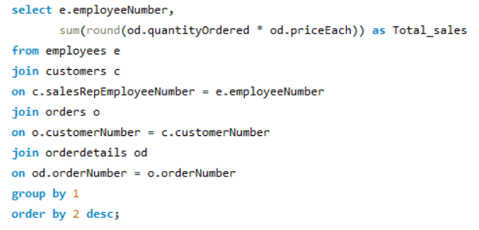

Total Sales by Employees
 | employeeNumber | Total_sales
 | 1370 | 1258577
 | 1165 | 1081532 |  | Invest in employee training, encourage positive customer interactions, and foster a customer-centric culture.
 | 1401 | 868223
 | 1501 | 732101
 | 1504 | 704857
 | 1323 | 669378
 | 1612 | 584590
 | 1337 | 569485
 | 1611 | 562586
 | 1216 | 505869
 | 1286 | 488218
 | 1621 | 457117
 | 1702 | 387473
 | 1188 | 386665
 | 1166 | 347535

Q4
Which product features or attributes are most appealing to customers?

Products Sales Revenue and Sales volume

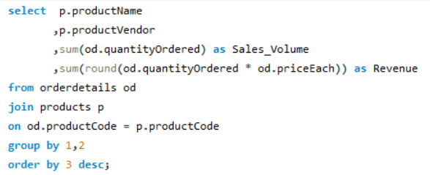
 | productVendor | Sales_Volume | Revenue
 | Classic Metal Creations | 9678 | 934552
 | Motor City Art Classics | 8873 | 704800
 | Carousel DieCast Legends | 8735 | 667193 |  |  | Atributes Appealing to customers include 1. Vendors 2.Difference in BuyPrice and MSRP
 | Exoto Designs | 8604 | 793402
 | Unimax Art Galleries | 8439 | 884173
 | Gearbox Collectibles | 8352 | 828016
 | Second Gear Diecast | 7845 | 803899
 | Highway 66 Mini Classics | 7808 | 664508
 | Min Lin Diecast | 7729 | 680662
 | Autoart Studio Design | 7702 | 736922
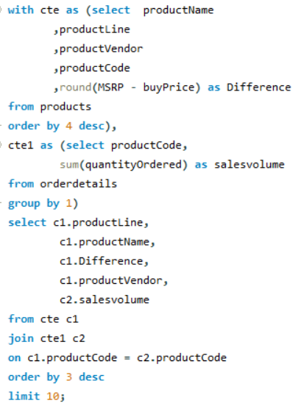
 | Welly Diecast Productions | 7580 | 776165
 | Studio M Art Models | 7552 | 474427
 | Red Start Diecast | 6619 | 655487

 | productLine | productName | Difference | productVendor | salesvolume
 | Classic Cars | 1952 Alpine Renault 1300 | 116 | Classic Metal Creations | 961
 | Classic Cars | 2001 Ferrari Enzo | 112 | Second Gear Diecast | 1019 | Products with High difference in Buyprice and MSRP & Product Vendor is Classic Cars Category and Unimax Art Galleries
 | Motorcycles | 2003 Harley-Davidson Eagle Drag Bike | 103 | Red Start Diecast | 985
 | Classic Cars | 1968 Ford Mustang | 99 | Autoart Studio Design | 933
 | Vintage Cars | 1928 Mercedes-Benz SSK | 96 | Gearbox Collectibles | 880
 | Classic Cars | 1992 Ferrari 360 Spider red | 91 | Unimax Art Galleries | 1808
 | Classic Cars | 1969 Ford Falcon | 90 | Second Gear Diecast | 965
 | Motorcycles | 2002 Suzuki XREO | 84 | Unimax Art Galleries | 1028
 | Vintage Cars | 1917 Grand Touring Sedan | 83 | Welly Diecast Productions | 918
 | Planes | 1980s Black Hawk Helicopter | 80 | Red Start Diecast | 1040

Q5
How can the product mix be optimized to cater to changing market demands?

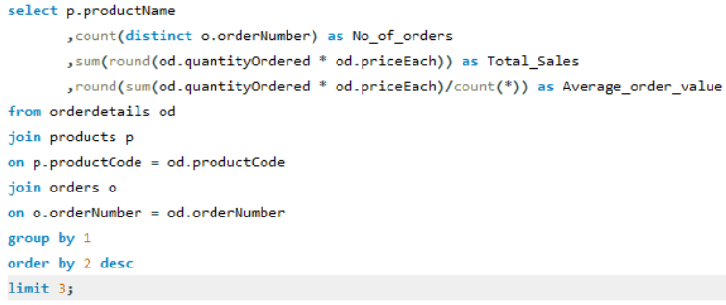

Identifying top sellers helps balance the product portfolio.
By ensuring a mix of staple products and trendy items to cater to diverse customer needs.

 | -

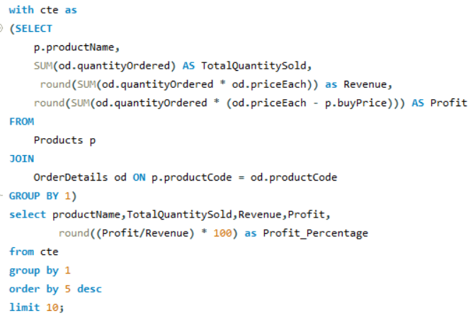
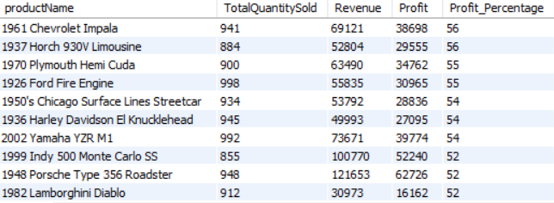

1.Products with higher contribution margins may be given more focus in the product mix .
2. Adjusting prices based on profit margins can help maximize revenue without sacrificing profitability.

Seasonal trend of products ordered

 |  | month | Products_Ordered
 |  | January | 229
 |  | February | 226
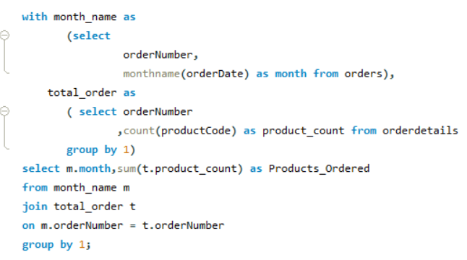
 |  | March | 232
 |  | April | 203
 |  | May | 261
 |  | June | 155
 |  | July | 165
 |  | August | 191
 |  | September | 171
 |  | October | 323
 |  | November | 616
 |  | December | 224

Adjust the product mix based on seasonal variations in customer preferences

Q6
Are there any specific market segments where a particular product is underperforming, and how can it be improved?

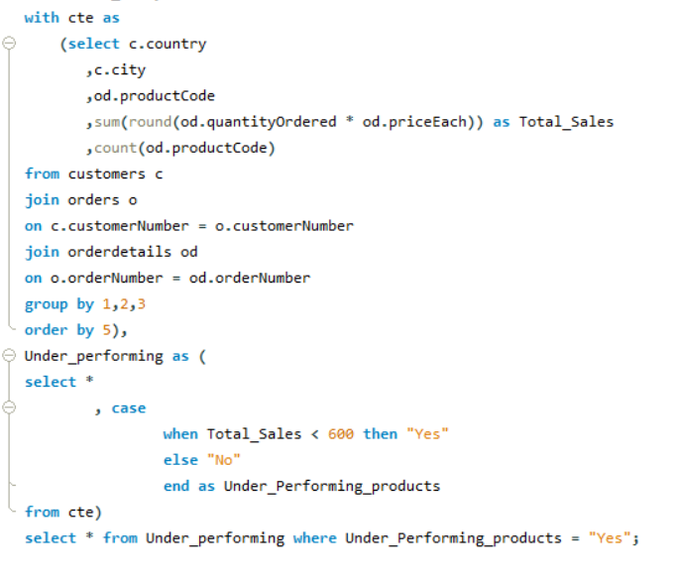
 |  | country | city | productCode | Total_Sales | No of orders | Under_Performing_products
 |  | Austria | Salzburg | S24_2972 | 482 | 1 | Yes
 |  | Australia | Chatswood | S24_3969 | 529 | 1 | Yes
 |  | USA | Nashua | S24_1937 | 531 | 1 | Yes
 |  | USA | San Jose | S18_4409 | 547 | 1 | Yes
 |  | France | Nantes | S32_2509 | 554 | 1 | Yes
 |  | France | Marseille | S24_1937 | 558 | 1 | Yes
 |  | Italy | Torino | S24_1937 | 597 | 1 | Yes

 | S

Identify segments where the product is underperforming compared to others and encourage additional purchases by bundling the underperforming product.

Q7
What are the main factors that influence customer loyalty and repeat purchases?

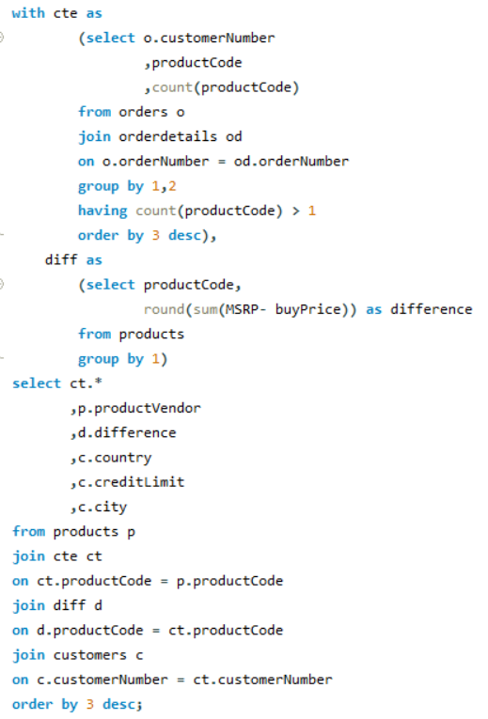
 | customerNumber | productCode | count(productCode) | productVendor | difference | country | creditLimit | city
 | 141 | S18_3232 | 8 | Unimax Art Galleries | 91 | Spain | 227600 | Madrid
 | 141 | S24_1444 | 6 | Highway 66 Mini Classics | 25 | Spain | 227600 | Madrid
 | 141 | S24_2840 | 6 | Carousel DieCast Legends | 19 | Spain | 227600 | Madrid
 | 141 | S24_4048 | 5 | Exoto Designs | 48 | Spain | 227600 | Madrid
 | 141 | S18_2319 | 5 | Unimax Art Galleries | 48 | Spain | 227600 | Madrid
 | 141 | S50_1392 | 5 | Highway 66 Mini Classics | 47 | Spain | 227600 | Madrid
 | 141 | S32_2509 | 5 | Classic Metal Creations | 28 | Spain | 227600 | Madrid
 | 141 | S18_3140 | 4 | Unimax Art Galleries | 68 | Spain | 227600 | Madrid
 | 141 | S12_4473 | 4 | Exoto Designs | 63 | Spain | 227600 | Madrid
 | 141 | S18_2238 | 4 | Gearbox Collectibles | 62 | Spain | 227600 | Madrid
 | 141 | S18_4027 | 4 | Min Lin Diecast | 52 | Spain | 227600 | Madrid
 | 141 | S24_3432 | 4 | Gearbox Collectibles | 45 | Spain | 227600 | Madrid
 | 141 | S24_2766 | 4 | Classic Metal Creations | 44 | Spain | 227600 | Madrid
 | 141 | S24_3856 | 4 | Classic Metal Creations | 42 | Spain | 227600 | Madrid
 | 141 | S32_3207 | 4 | Gearbox Collectibles | 35 | Spain | 227600 | Madrid
 | 141 | S24_3191 | 4 | Exoto Designs | 35 | Spain | 227600 | Madrid
 | 141 | S18_4522 | 4 | Exoto Designs | 35 | Spain | 227600 | Madrid
 | 141 | S18_3259 | 4 | Carousel DieCast Legends | 33 | Spain | 227600 | Madrid
 | 141 | S24_1046 | 4 | Unimax Art Galleries | 24 | Spain | 227600 | Madrid
 | 141 | S24_2972 | 4 | Second Gear Diecast | 22 | Spain | 227600 | Madrid
 | 141 | S50_1514 | 4 | Classic Metal Creations | 21 | Spain | 227600 | Madrid
 | 124 | S12_1108 | 4 | Second Gear Diecast | 112 | USA | 210500 | San Rafael
 | 124 | S18_2795 | 4 | Gearbox Collectibles | 96 | USA | 210500 | San Rafael
 | 124 | S12_3891 | 4 | Second Gear Diecast | 90 | USA | 210500 | San Rafael
 | 124 | S24_2300 | 4 | Autoart Studio Design | 66 | USA | 210500 | San Rafael
 | 124 | S12_4473 | 4 | Exoto Designs | 63 | USA | 210500 | San Rafael
 | 124 | S18_2238 | 4 | Gearbox Collectibles | 62 | USA | 210500 | San Rafael
 | 124 | S32_1268 | 4 | Motor City Art Classics | 42 | USA | 210500 | San Rafael
 | 124 | S18_3320 | 4 | Exoto Designs | 42 | USA | 210500 | San Rafael
 | 124 | S32_2509 | 4 | Classic Metal Creations | 28 | USA | 210500 | San Rafael
 | 124 | S18_4668 | 4 | Studio M Art Models | 27 | USA | 210500 | San Rafael
 | 124 | S24_2840 | 4 | Carousel DieCast Legends | 19 | USA | 210500 | San Rafael

Q8
How do customer preferences differ based on geographic location, and how can marketing campaigns be customized accordingly?

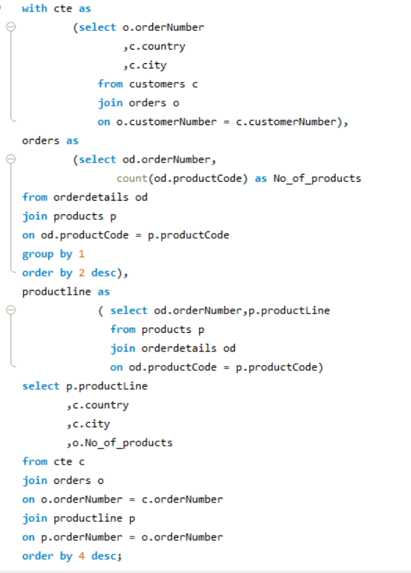
 | Count of No_of_products | Column Labels
 | Row Labels | Classic Cars | Motorcycles | Planes | Ships | Trains | Trucks and Buses | Vintage Cars | Grand Total
 | USA | 329 | 149 | 95 | 70 | 25 | 112 | 224 | 1004
 | Spain | 120 | 19 | 30 | 39 | 14 | 46 | 74 | 342
 | France | 98 | 68 | 32 | 21 | 7 | 30 | 58 | 314
 | Australia | 53 | 26 | 25 | 2 | 1 | 20 | 58 | 185
 | New Zealand | 42 | 26 | 14 | 11 | 4 | 6 | 46 | 149
 | UK | 46 | 9 | 15 | 23 | 4 | 8 | 39 | 144
 | Italy | 29 | 3 | 35 | 6 | 3 | 3 | 42 | 121
 | Finland | 38 | 13 | 12 | 9 | 2 | 11 | 7 | 92
 | Singapore | 32 | 1 |  | 4 | 5 | 23 | 14 | 79
 | Canada | 14 | 1 | 10 | 14 |  | 16 | 15 | 70
 | Denmark | 34 |  | 2 | 14 | 4 | 2 | 7 | 63
 | Germany | 36 | 3 | 8 | 2 | 2 | 2 | 9 | 62
 | Sweden | 17 | 3 | 3 | 10 | 1 | 11 | 12 | 57
 | Austria | 25 | 5 | 6 | 4 |  | 5 | 10 | 55
 | Norway | 28 | 7 | 11 |  |  |  | 7 | 53
 | Japan | 8 | 9 | 16 | 5 | 2 | 3 | 9 | 52
 | Belgium | 4 |  | 1 | 11 | 3 |  | 14 | 33
 | Norway | 7 | 7 |  |  | 2 | 9 | 7 | 32
 | Switzerland | 31 |  |  |  |  |  |  | 31
 | Philippines | 13 | 7 | 5 |  |  |  | 1 | 26
 | Ireland | 6 | 2 | 4 |  | 2 | 1 | 1 | 16
 | Hong Kong |  | 1 | 12 |  |  |  | 3 | 16
 | Grand Total | 1010 | 359 | 336 | 245 | 81 | 308 | 657 | 2996

One third of the total orders are from classic cars category.
Low level interest is recordered on ships and trains.
More no of orders is from USA
So we can Customize online advertisements based on the user's location.

Q9
What are the characteristics of high-value customers, and how can similar customers be targeted for acquisition?

Credit limits of Customer by country
 | Total
Australia | 318400
Austria | 71700
Denmark | 83400
France | 323200
Italy | 241000
New Zealand | 198000
Singapore | 103800
Spain | 227600
UK | 136800
USA | 646500
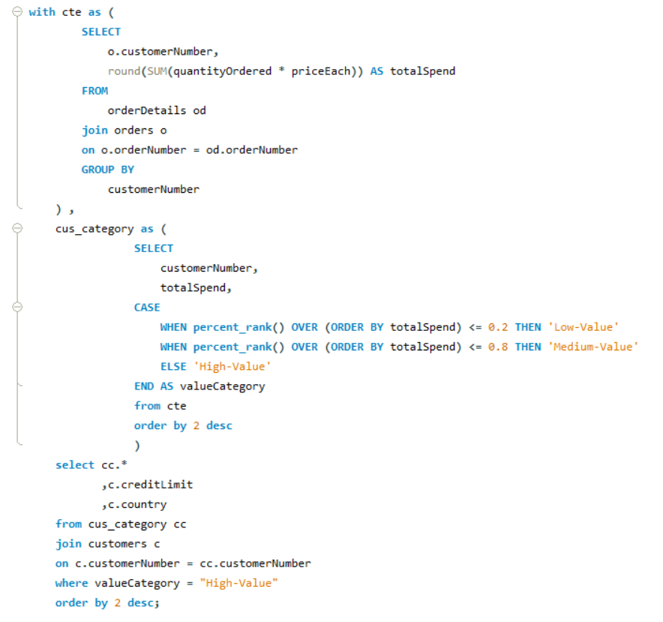

 | customerNumber | totalSpend | valueCategory | creditLimit | country | city
 | 141 | 820690 | High-Value | 227600 | Spain | Madrid
 | 124 | 591827 | High-Value | 210500 | USA | San Rafael
 | 114 | 180585 | High-Value | 117300 | Australia | Melbourne
 | 151 | 177914 | High-Value | 138500 | USA | NYC
 | 119 | 158573 | High-Value | 118200 | France | Nantes
 | 148 | 156251 | High-Value | 103800 | Singapore | Singapore
 | 323 | 154622 | High-Value | 88000 | New Zealand | Auckland
 | 131 | 149085 | High-Value | 114900 | USA | NYC
 | 187 | 148410 | High-Value | 136800 | UK | Manchester
 | 450 | 143536 | High-Value | 77600 | USA | San Jose
 | 382 | 137480 | High-Value | 71700 | Austria | Salzburg
 | 496 | 137461 | High-Value | 110000 | New Zealand | Auckland
 | 276 | 137034 | High-Value | 107800 | Australia | North Sydney
 | 282 | 133907 | High-Value | 93300 | Australia | Chatswood
Characteristics of high value customers include high creditlimit and countries such as Spain, USA, Newzealand, Australia, France, Singapore, Denmark, Italy
Hence we can focus on customers with high credit limit and belong to the above mentioned countries.
 | 321 | 132341 | High-Value | 105000 | USA | San Francisco
 | 146 | 130305 | High-Value | 123900 | France | Lyon
 | 145 | 129085 | High-Value | 83400 | Denmark | Kobenhavn
 | 278 | 127530 | High-Value | 119600 | Italy | Bergamo
 | 353 | 126983 | High-Value | 81100 | France | Reims
 | 386 | 125506 | High-Value | 121400 | Italy | Reggio Emilia

Q10
How can marketing strategies be tailored to target specific demographic segments in different regions?

Product Analysis by country and city
 | Classic Cars | Planes | Ships | Trains | Trucks and Buses | Vintage Cars
Paris | 26 |  |  | 3 | 9 | 7
Nantes | 10 | 14 | 5 |  | 8 | 7
Lyon | 10 |  | 7 | 2 | 7 | 15
Reims | 13 | 12 | 2 | 2 | 2 | 4
Marseille | 17 |  |  |  |  | 5
Toulouse | 4 | 6 | 7 |  |  | 3
Strasbourg | 14 |  |  |  |  | 5
Versailles | 2 |  |  |  | 4 | 12
Lille | 2

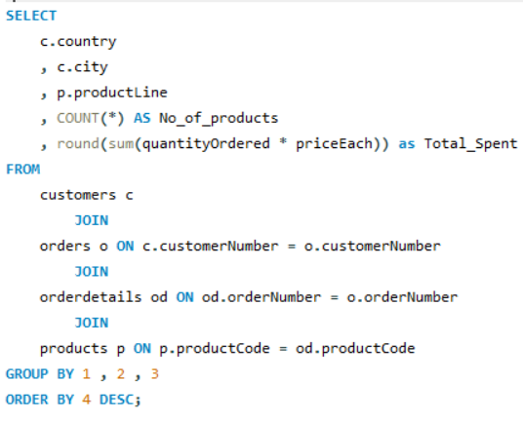

By Identifying regions where specific demographic segments are more concentrated we can customize product offerings based on the preferences of different demographic groups.
By offering promotions and discounts tailored to the buying patterns of specific demographic segments in different regions.
And through social media marketing we can reach the target customers.

country | France

No_of_products_ordered | Column Labels
Region | Classic Cars | Planes | Ships | Trains | Trucks and Buses | Vintage Cars | Grand Total
Paris | 26 |  |  | 3 | 9 | 7 | 45
Nantes | 10 | 14 | 5 |  | 8 | 7 | 44
Lyon | 10 |  | 7 | 2 | 7 | 15 | 41
Reims | 13 | 12 | 2 | 2 | 2 | 4 | 35
Marseille | 17 |  |  |  |  | 5 | 22
Toulouse | 4 | 6 | 7 |  |  | 3 | 20
Strasbourg | 14 |  |  |  |  | 5 | 19
Versailles | 2 |  |  |  | 4 | 12 | 18
Lille | 2 |  |  |  |  |  | 2
Grand Total | 98 | 32 | 21 | 7 | 30 | 58 | 246

Q11
Market distribution by Country
What are the potential untapped markets based on demographic indicators, and how can market penetration be increased?
 | Country | Total_sales | No of unique_customers | No of orders
 | USA | 3273278 | 35 | 1004
 | Spain | 1099389 | 5 | 342
 | France | 1007373 | 12 | 314
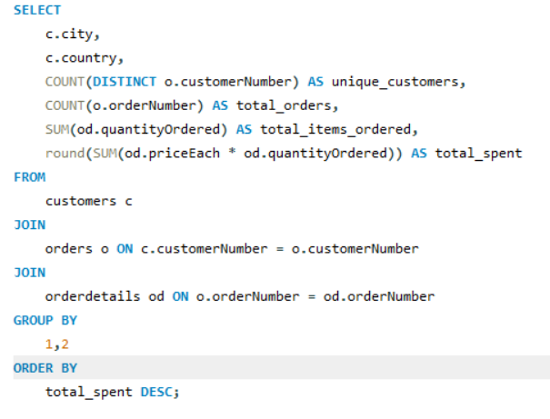
 | Australia | 562582 | 5 | 185
 | New Zealand | 476847 | 4 | 149
 | UK | 436948 | 5 | 144
 | Italy | 360617 | 4 | 121
 | Finland | 295149 | 3 | 92
 | Singapore | 263998 | 2 | 79
 | Denmark | 218995 | 2 | 63
 | Canada | 205912 | 3 | 70
 | Germany | 196471 | 3 | 62
 | Austria | 188540 | 2 | 55
 | Sweden | 187639 | 2 | 57
 | Japan | 167910 | 2 | 52
 | Norway | 166621 | 2 | 53
 | Switzerland | 108778 | 1 | 31
 | Norway | 104225 | 1 | 32
 | Belgium | 100069 | 2 | 33
 | Philippines | 87468 | 1 | 26
 | Ireland | 49898 | 1 | 16
Potentially untapped countries include Spain,France,Australia and NewZealand
There market penetration can be done through socialmedia marketing and by introducing limited -period offers
 | Hong Kong | 45481 | 1 | 16
 | Grand Total | 9604188 | 98 | 2996

Relation between creditlimit and Total Sales
 | creditLimit | unique_customers | total_orders | total_items_ordered | total_spent
 | 227600 | 1 | 259 | 9327 | 820690
 | 210500 | 1 | 180 | 6366 | 591827
 | 141300 | 1 | 31 | 1078 | 108778
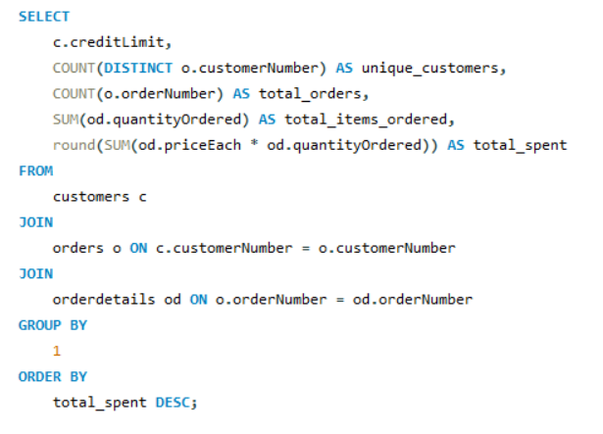
 | 138500 | 1 | 48 | 1775 | 177914
 | 136800 | 1 | 51 | 1778 | 148410
 | 123900 | 1 | 41 | 1428 | 130305
 | 123700 | 1 | 27 | 976 | 90545
 | 121400 | 1 | 39 | 1280 | 125506
 | 120800 | 1 | 27 | 882 | 89910
 | 120400 | 1 | 26 | 936 | 89223
 | 119600 | 1 | 48 | 1650 | 127530
 | 118200 | 1 | 53 | 1832 | 158573
 | 117300 | 1 | 55 | 1926 | 180585
 | 116400 | 1 | 38 | 1359 | 120944
 | 114900 | 1 | 49 | 1631 | 149085
 | 114200 | 1 | 34 | 1248 | 116449
 | 113000 | 1 | 26 | 843 | 82223
 | 110000 | 1 | 48 | 1647 | 137461
 | 107800 | 1 | 46 | 1469 | 137034
 | 105000 | 2 | 66 | 2401 | 212716
 | 104600 | 1 | 32 | 1163 | 112440
 | 103800 | 1 | 43 | 1524 | 156251
 | 102700 | 1 | 26 | 929 | 78432
 | 100600 | 1 | 31 | 1111 | 104359
Target on customers whose credit limit is greater than 1,00,000 as they have the potential to increase the total sales

Q12
No of orders and Total Sales Trend by Country
How do customer preferences and behavior differ based on demographic factors, and how can they be leveraged for personalized marketing campaigns?

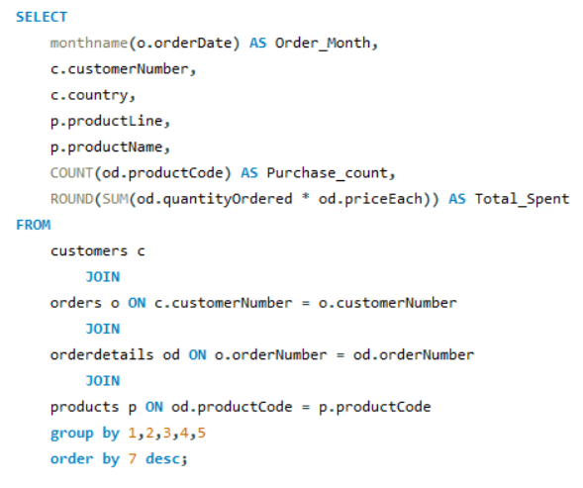

By offering promotions that align with the preferences and purchasing behaviors of different demographic segments
By Collecting customer feedback and conducting surveys to understand preferences, expectations, and areas for improvement
Tailor marketing messages to the interests and preferences of specific demographics.

 |  | Column Labels
 |  | Classic Cars |  | Total Sum of Purchase_count | Total Sum of Total_Spent
 | Order_Month | Sum of Purchase_count | Sum of Total_Spent
 | May | 3 | 11667 | 3 | 11667
 | June | 1 | 3158 | 1 | 3158
 | August | 1 | 3264 | 1 | 3264
 | October | 3 | 12154 | 3 | 12154
 | November | 4 | 16910 | 4 | 16910
 | December | 2 | 12506 | 2 | 12506
 | Grand Total | 14 | 59659 | 14 | 59659

